milestone
MILESTONE |  |  |  |  |  | DESIGN UPDATE FOR |  |  |  | Q1 |  | PERMIT UPDATE |  |  |  |  |  | EXTRACTION UPDATE FOR |  |  |  |  | Q1 |  | RFE CHANGE SCHED

 |  |  |  | Cumulative |  | DESIGN MILESTONE |  |  |  |  |  | PERMITTING MILESTONE |  |  |  |  |  | EXTRACTION MILESTONE |  |  |  |  |  |  |  |  |  |  |  |  |  |  |  |  |  |  |  |  | STATUS | RFE
QUARTER | SITES | APPROX TONS | DESIGN TONS | ACTUAL TONS | TARGET TONS | OG SURVEY | SURVEY DONE | COMPLETED | SUBMIITED | APPROVED | DESIGN GAP | TARGET | READY FOR PERMITTING |  | ON GOING | RFE | PERMIT GAP | STARTED | DONE | ISP | OSP | TOTAL TONS | GAP | Site Name | AREA | MUNICIPALITY | QTR | STATUS | Duration (WD) | Start Date | End Date | AMBULANCE TEAM | REMARKS | Actual Start Date | Actual End Date | Ageing | Delay Reason | Detailed Remarks
Q1 | 40 | 4,727.20 | 1,379.70 | 32.01 | 3487 | 0 | 39 | 38 | 38 | 28 | 2 | 40 | 38 |  | 25 | 10 | 30 | 4 | 0 | 6.1071 | 25.90 | 32.01 | 6 | Paco Exchange | GMM | Manila City | Q1 | ON GOING EXTRACTION | 29 | 2026-10-16 | 2026-11-14 | AMB 1 | 10/29/26: Partially Completed on Nov 14 due to MMDA memo. Continuation on 2027 | 2026-10-16 |  |  |  |  | QTR | TOTAL SITES | SURVEY STARTED | DONE SURVEY | DESIGN COMPLETED | DESIGN SUBMITTED | DESIGN APPROVED | STARTED PERMITTING | RFE | EXTRACTION STARTED | ISP EXTRACTED | OSP EXTRACTED | TOTAL TONS | EXTRACTION DONE
 |  |  |  |  |  |  |  |  |  |  |  |  |  |  |  |  |  |  |  |  |  |  |  | Bulacan Sub-Exchange/RSU | NLZ | Bulacan | Q1 | ON GOING EXTRACTION | 6 | 2026-10-29 | 2026-11-04 | AMB 2 | 10/29/26: DD: 10/29, Extraction Both ISP and OSP | 2026-10-29 |  |  |  |  | Q1 | 40 | 40 | 39 | 38 | 38 | 28 | 33 | 10 | 4 | 6.11 | 25.9 | 32.01
NUMBER OF SITES PER REGION |  |  |  |  |  | APPROVED DESIGN PER REGION |  |  |  |  |  | PERMIT SECURED PER REGION |  |  |  |  |  | EXTRACTION DONE PER REGION |  |  |  |  |  | Cabanatuan Exchange | NLZ | Cabanatuan City | Q1 | READY FOR EXTRACTION | 11 | 2026-11-03 | 2026-11-14 | AMB 3 | 10/29/26: DD:10/30, Extraction both ISP and OSP |  |  |  |  |  | Q2 | 34 | 5 | 4 | 3 | 1 | 1 |  |  |  |  |  | 0.00
 |  |  |  |  |  |  |  |  |  |  |  |  |  |  |  |  |  |  |  |  |  |  |  | Orion Sub-Exchange | NLZ | Orion | Q1 | READY FOR EXTRACTION | 6 | 2026-11-05 | 2026-11-11 | AMB 4 | 10/29/26: DD: 11/5, Extraction Both ISP and OSP |  |  |  |  |  | (blank) | 109 |  |  |  |  |  |  |  |  |  |  | 0.00
16 | 24 | 0 | 0 | 0 | 0 | GMM | NLZ | SLZ | VIS | N. MIN | S. MIN | GMM | NLZ | SLZ | VIS | N. MIN | S. MIN | GMM | NLZ | SLZ | VIS | N. MIN | S. MIN | Munoz Sub-Exchange | NLZ | Munoz City | Q1 | READY FOR EXTRACTION | 4 | 2026-11-05 | 2026-11-09 | AMB 3 | 10/29/26: ISP + 5 MH only; No Need DD |  |  |  |  |  | TOTAL | 183 | 45 | 43 | 41 | 39 | 29 | 33 | 10 | 4 | 6.11 | 25.9 | 32.01
 |  |  |  |  |  | 13 | 15 | 0 | 0 | 0 | 0 | 2 | 8 | 0 | 0 | 0 | 0 | 0 | 0 | 0 | 0 | 0 | 0 | San Narciso Sub-Exchange | NLZ | San Narciso | Q1 | READY FOR EXTRACTION | 0 | 2026-11-03 | 2026-11-03 | AMB 4 | 10/29/26: DD: 11/3
GMM | NLZ | SLZ | VIS | N. MIN | S. MIN |  |  |  |  |  |  |  |  |  |  |  |  |  |  |  |  |  |  | San Marcelino Sub-Exchange | NLZ | San Marcelino | Q1 | READY FOR EXTRACTION | 0 | 2026-11-03 | 2026-11-03 | AMB 4 | 10/29/26: DD: 11/3
 |  |  |  |  |  | DESIGN TIMELINE |  |  |  |  |  | PERMIT TIMELINE |  |  |  |  |  | EXTRACTION START TIMELINE |  |  |  |  |  | Tanay CO | GMM | Tanay | Q1 | ON GOING EXTRACTION | 10 | 2026-10-28 | 2026-11-07 | AMB 5 | 10/29/26: Partially Completed on Nov 7 due to MMDA memo. Continuation on 2027 | 2026-10-28
SUBMITTED DESIGN | APPROVED DESIGN | ON GOING PERMITTING | READY FOR EXTRACTION | STARTED EXTRACTION | DONE EXTRACTION |  |  |  |  |  |  |  |  |  |  |  |  |  |  |  |  |  |  | Tarlac Exchange | NLZ | Tarlac City | Q1 | READY FOR EXTRACTION | 7 | 2026-11-09 | 2026-11-16 | AMB 6 | 10/29/26: DD: 11/9, extraction Both ISP and OSP
 |  |  |  |  |  | DATE BRACKET |  | WEEK | TARGET | DONE | GAP | DATE BRACKET |  | WEEK | TARGET | DONE | GAP | DATE BRACKET |  | WEEK | TARGET | STARTED | GAP | Kalookan Exchange CO | GMM | Caloocan City | Q1 | ON GOING PERMITTING | 25 | 2026-11-09 | 2026-12-03 19:50:24 |  | 10/29/26: No work on ASEAN Summit (Nov 16-18, 2026)
38 | 28 | 25 | 10 | 4 | 0 |  |  |  |  |  |  |  |  |  |  |  |  |  |  |  |  |  |  | Baliuag Sub-Exchange | NLZ | Baliuag | Q1 | READY FOR EXTRACTION | 0 | 0 | 0 |  | 10/29/26: Sir Jayson's feedback today
 |  |  |  |  |  | Oct.19 - Oct.25 |  | 43-2026 | 3 | 1 | 2 | Oct.12 - Oct.18 |  | 42-2026 | 1 | 1 | 0 | Oct.12 - Oct.18 |  | 42-2026 | 1 | 1 | 0 | Malabon Exchange | GMM | Malabon City | Q1 | ON GOING PERMITTING | 14 | 2026-11-11 | 2026-11-24 21:24:28 |  | 10/29/26: No work on ASEAN Summit (Nov 16-18, 2026)
 |  |  |  |  |  |  |  |  |  |  |  |  |  |  |  |  |  |  |  |  |  |  |  | New Pasig Exchange | GMM | Pasig City | Q1 | ON GOING PERMITTING | 0 | 2026-11-04 | 2026-11-04 |  | 10/29/26: ISP only; OSP will continue based on the Permit Secured; Taguig will be first inExtraction
3487 GMM NLZ
Q1
3796 GMM NLZ
Q2
4371 GMM NLZ SLZ
Q3
5475 GMM NLZ SLZ
Q4
3670 GMM SLZ VIS
Q5
2563 GMM VIS
Q6
2471 GMM VIS S.MIN N.MIN
Q7
2899 GMM
Q8
 |  |  |  |  |  | Oct.26 - Nov.01 |  | 44-2026 | 3 | 3 | 0 | Oct.19 - Oct.25 |  | 43-2026 | 2 | 2 | 0 | Oct.19 - Oct.25 |  | 43-2026 | 0 | 0 | 0 | Valenzuela Exchange | GMM | Valenzuela City | Q1 | ON GOING EXTRACTION | 2 | 2026-10-28 | 2026-10-30 | AMB 7 | 10/29/26: Started ISP only; Continuation of OSP is based on Permit Secured - Permitting Target: 11/20; OSP Extraction Target Start: 11/21 | 2026-10-28
 |  |  |  |  |  |  |  |  |  |  |  |  |  |  |  |  |  |  |  |  |  |  |  | Gapan Sub-Exchange | NLZ | Gapan City | Q1 | ON GOING PERMITTING | 4 | 2026-11-09 | 2026-11-13 00:57:36
 |  |  |  |  |  | Nov.02 - Nov.08 |  | 45-2026 | 0 | 0 | 0 | Oct.26 - Nov.01 |  | 44-2026 | 1 | 1 | 0 | Oct.26 - Nov.01 |  | 44-2026 | 3 | 3 | 0 | Taytay CO | GMM | Taytay | Q1 | ON GOING PERMITTING | 24 | 2026-11-25 | 2026-12-18 18:14:24
 |  |  |  |  |  |  |  |  |  |  |  |  |  |  |  |  |  |  |  |  |  |  |  | Angono Exchange | GMM | Angono | Q1 | ON GOING PERMITTING | 7 | 2026-11-25 | 2026-12-02 07:46:33
 |  |  |  |  |  | Nov.09 - Nov.15 |  | 46-2026 | 0 | 0 | 0 | Nov.02 - Nov.08 |  | 45-2026 | 8 | 1 | 7 | Nov.02 - Nov.08 |  | 45-2026 | 8 | 0 | 8 | Digitel Cainta MSU | GMM | Cainta | Q1 | ON GOING PERMITTING | 9 | 2026-11-18 | 2026-11-27 08:49:55 |  | 10/29/26: No work on ASEAN Summit (Nov 16-18, 2026)
 |  |  |  |  |  |  |  |  |  |  |  |  |  |  |  |  |  |  |  |  |  |  |  | South Triangle CO/Service Yard | GMM | Quezon City | Q1 | ON GOING PERMITTING | 14 | 2026-11-24 | 2026-12-08 07:44:38 |  | 10/29/26: No work on ASEAN Summit (Nov 16-18, 2026)
 |  |  |  |  |  | Oct.26 - Nov.01 |  | 44-2026 | 3 | 3 | 0 | Nov.09 - Nov.15 |  | 46-2026 | 8 | 5 | 3 | Nov.09 - Nov.15 |  | 46-2026 | 6 | 0 | 6 | Camiling Sub-Exchange | NLZ | Camiling | Q1 | ON GOING PERMITTING | 2 | 2026-11-20 | 2026-11-21 13:49:26
 |  |  |  |  |  |  |  |  |  |  |  |  |  |  |  |  |  |  |  |  |  |  |  | Paniqui Sub-Exchange | NLZ | Paniqui | Q1 | ON GOING PERMITTING | 1 | 2026-11-18 | 2026-11-19 08:26:52
 |  |  |  |  |  | Nov.23 - Nov.29 |  | 48-2026 | 0 | 0 | 0 | Nov.16 - Nov.22 |  | 47-2026 | 11 | 0 | 11 | Nov.16 - Nov.22 |  | 47-2026 | 3 | 0 | 3 | Dagupan Exchange | NLZ | Dagupan City | Q1 | ON GOING PERMITTING | 13 | 2026-11-25 | 2026-12-08 10:45:07
 |  |  |  |  |  |  |  |  |  |  |  |  |  |  |  |  |  |  |  |  |  |  |  | Grace Park Exchange (SXS) | GMM | Caloocan City | Q1 | ON GOING PERMITTING | 25 | 2026-11-24 | 2026-12-19 08:38:24
 |  |  |  |  |  |  |  |  |  |  |  |  |  |  |  |  |  |  |  |  |  |  |  | Digitel San Mateo MSU | GMM | San Mateo | Q1 | ON GOING PERMITTING | 3 | 2026-11-11 | 2026-11-14 09:53:16
 |  |  |  |  |  | DESIGN PROGRESS |  |  |  |  |  | PERMIT PROGRESS |  |  |  |  |  | EXTRACTION END TIMELINE |  |  |  |  |  | Balara Exchange | GMM | Quezon City | Q1 | ON GOING PERMITTING | 19 | 2026-11-26 | 2026-12-15 01:12:57
 |  |  |  |  |  |  |  |  |  |  |  |  |  |  |  |  |  |  |  |  |  |  |  | San Miguel Sub-Exchange | NLZ | San Miguel | Q1 | ON GOING PERMITTING | 12 | 2026-11-23 | 2026-12-05
 |  |  |  |  |  | REGION | OG SURVEY | SURVEY DONE | COMP | SUBMITTED | APPROVED | OG SITES FOR BRGY APPLICATION |  | OG SITES FOR TRAFFIC APPLICATION | OG SITES FOR DPWH APPLICATION | OG SITES FOR LGU APPLICATION |  | DATE BRACKET |  | WEEK | TARGET | DONE | GAP | Binangonan RSU Exchange | GMM | Binangonan | Q1 | ON GOING PERMITTING | 3 | 2026-11-11 | 2026-11-14 02:52:48
 |  |  |  |  |  |  |  |  |  |  |  |  |  |  |  |  |  |  |  |  |  |  |  | Taytay RSU | GMM | Taytay | Q1 | ON GOING PERMITTING | 0 | 2026-11-03 | 2026-11-03 |  | 10/29/26: ISP only; OSP will continue based on the Permit Secured;
 |  |  |  |  |  | GMM | 0 | 16 | 16 | 16 | 13 | 22 |  | 16 | 4 | 17 |  | Nov.09 - Nov.15 |  | 46-2026 | 7 | 0 | 7 | Lubao Sub-Exchange | NLZ | Lubao | Q1 | ON GOING PERMITTING | 12 | 2026-12-03 | 2026-12-15
 |  |  |  |  |  |  |  |  |  |  |  |  |  |  |  |  |  |  |  |  |  |  |  | Malolos Exchange | NLZ | Malolos | Q1 | ON GOING PERMITTING | 18 | 2026-11-24 | 2026-12-12
 |  |  |  |  |  | NLZ | 0 | 23 | 22 | 22 | 15 |  |  |  |  |  |  | Nov.16 - Nov.22 |  | 47-2026 | 3 | 0 | 3 | San Carlos | NLZ | San Carlos City | Q1 | ON GOING PERMITTING | 0 | 2026-12-07 | 2026-12-07
 |  |  |  |  |  |  |  |  |  |  |  | BRGY SUBMITTED |  | TRAFFIC SUBMITTED | DPWH SUBMITTED | LGU SUBMITTED |  |  |  |  |  |  |  | Capas Sub-Exchange/CO | NLZ | Capas | Q1 | ON GOING PERMITTING | 4 | 2026-12-07 | 2026-12-11
 |  |  |  |  |  | SLZ | 0 | 0 | 0 | 0 | 0 |  |  |  |  |  |  | Nov.23 - Nov.29 |  | 48-2026 | 4 | 0 | 4 | Baguio Toll Exchange | NLZ | Baguio City | Q1 | ON GOING PERMITTING | 0 | 2026-11-24 | 2026-11-24 02:06:43
 |  |  |  |  |  |  |  |  |  |  |  | 188 |  | 16 | 6 | 22 |  |  |  |  |  |  |  | SFU Exchange | NLZ | San Fernando | Q1 | ON GOING PERMITTING | 63 | 2026-11-30 | 2027-01-31 17:16:48
 |  |  |  |  |  | VIS | 0 | 0 | 0 | 0 | 0 |  |  |  |  |  |  | Nov.30 - Dec.06 |  | 49-2026 | 8 | 0 | 8 | Novaliches Exchange | GMM | Quezon City | Q1 | ON GOING PERMITTING | 38 | 2026-11-29 | 2027-01-06 11:02:24
 |  |  |  |  |  |  |  |  |  |  |  |  |  |  |  |  |  |  |  |  |  |  |  | Digitel ANGELES | NLZ | Angeles City | Q1 | DESIGN SUBMITTED | 3 | 2026-12-04 | 2026-12-07
 |  |  |  |  |  | N. MIN | 0 | 0 | 0 | 0 | 0 | BRGY SECURED |  | TRAFFIC SECURED | DPWH SECURED | LGU SECURED |  | Dec.07 - Dec.13 |  | 50-2026 | 5 | 0 | 5 | Digitel Sta Maria Bulacan | NLZ | SANTA MARIA | Q1 | DESIGN SUBMITTED | 5 | 2026-12-05 | 2026-12-10
50 | 114 | 62 | 39 | 29 | 20 |  |  |  |  |  |  |  |  |  |  |  |  |  |  |  |  |  |  | Digitel Cabanatuan | NLZ | Cabanatuan City | Q1 | DESIGN SUBMITTED | 0 | 2026-11-03 | 2026-11-03 | AMB 2
 |  |  |  |  |  | S. MIN | 0 | 0 | 0 | 0 | 0 | 173 |  | 13 | 0 | 3 |  | Dec.14 - Dec.20 |  | 51-2026 | 4 | 0 | 4 | Digitel Balibago | NLZ | Angeles City | Q1 | ON GOING DESIGN | 15 | 2026-11-29 | 2026-12-14
GMM | NLZ | SLZ | VIS | N. MIN | S. MIN |  |  |  |  |  |  |  |  |  |  |  |  |  |  |  |  |  |  | Digitel SAN FERNANDO (Pampanga) | NLZ | San Fernando City | Q1 | ON GOING SURVEY | 17 | 2026-11-29 | 2026-12-16

issues
SITENAME | CLUSTER | SPAN | PAIRS | METERS | ESTIMATED WEIGHT | ISSUES | ISSUES MH | OUTCOME | ACTION PLAN | REPORT DATE | PS REPORTED | PHOTO
Paco Exchange | cluster 10 | MH03-MH04 | 1200 | 150 |  | all fiber closure | MH04 | cannot extract copper cables from MH03-MH04 and MH04-MH05 |  | 2026-09-03 |  | 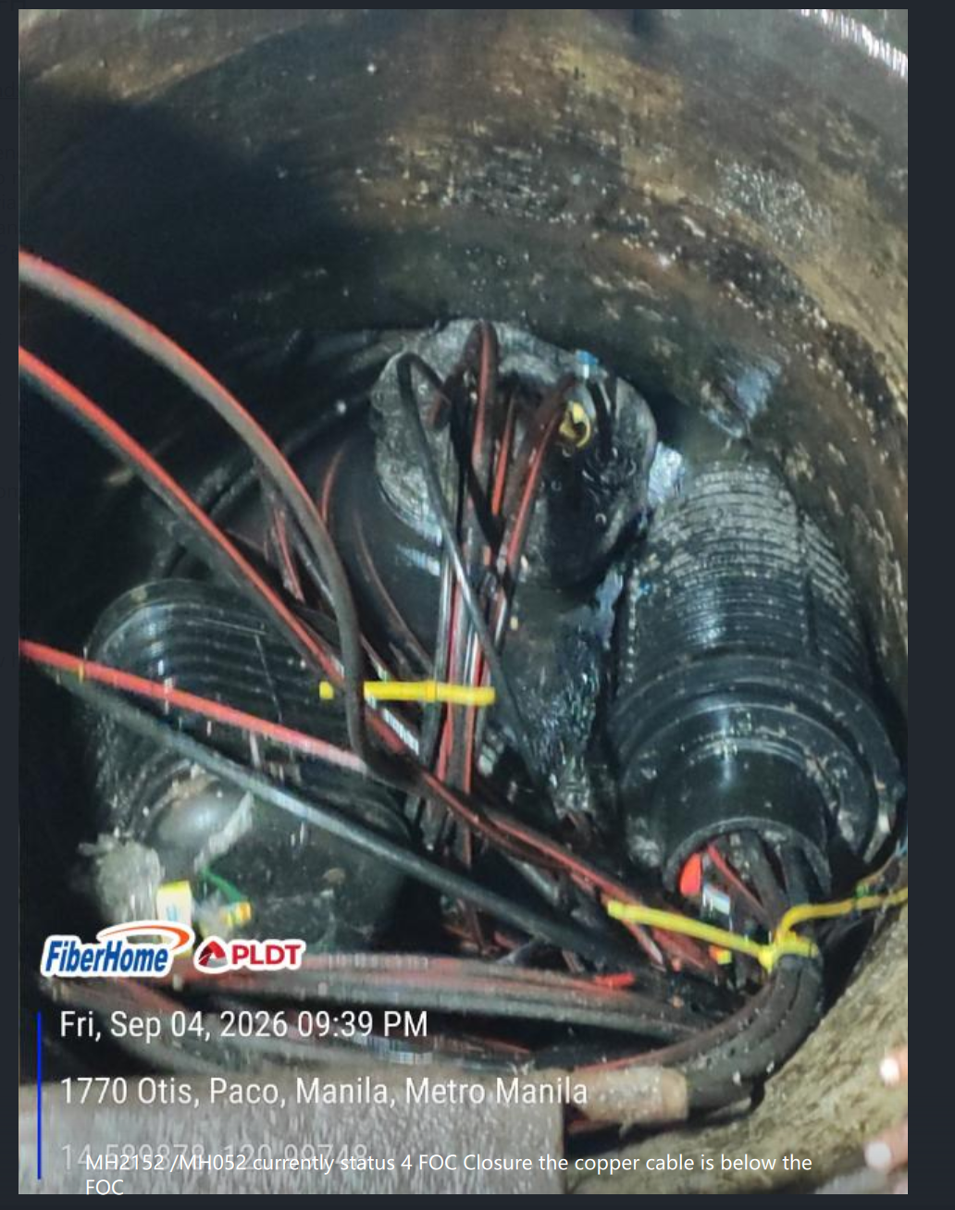
Paco Exchange | CLUSTER 6 | N/A | N/A | N/A |  | BROKEN MANHOLE COVER | MH025 | The manhole cover broke after opening |  | 2026-10-21 | PS MARK RENNIEL | 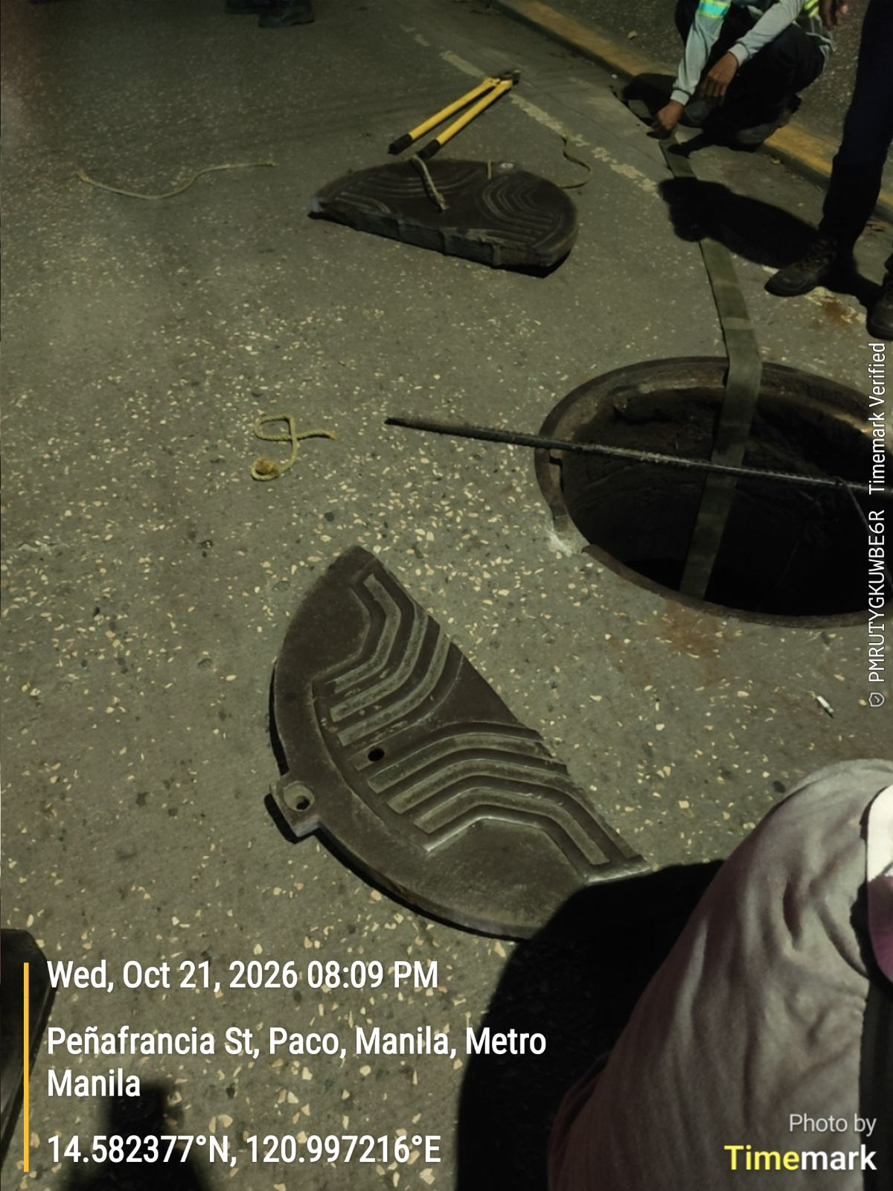
Paco Exchange | CLUSTER 7 | MH040-MH039 | NA | NA |  | MH039 IS MISSING,AND CAN'T LOCATE TO GOOGLE | MH039 | CANNOT EXTRACT THE COPPER CABLE FROM MH040- MH039 |  | 2026-10-21 | PS MARK RENNIEL
Paco Exchange | CLUSTER 7 | MH039-MH038 | NA | NA |  | MH039 IS MISSING, MH038 IS STUCK | MH039, MH038 | CANNOT EXTRACT THE COPPER CABLE FROM MH040- MH039 |  | 2026-10-21 | PS MARK RENNIEL
Paco Exchange | CLUSTER 7 | MH045-MH044 | NA | NA |  | The copper cable is hard to pull | MH045, MH044 | CANNOT EXTRACT THE COPPER CABLE DUE TO THE CABLES ARE HARD TO PULL |  | 2026-10-22 | PS MARK RENNIEL
Paco Exchange | CLUSTER 6 | MH010-MH017 | NA | NA |  | STUCK MANHOLE COVER | MH010, MH017 | The copper cable cannot be extracted because the manhole cover is hard to open |  | 2026-10-22 | PS MARK RENNIEL
Paco Exchange | CLUSTER 6 | MH025-MH038 | NA | NA |  | STUCK MANHOLE COVER | MH038 | The copper cable cannot be extracted because the manhole cover is hard to open |  | 2026-10-22 | PS MARK RENNIEL

